hybrid status confirmation
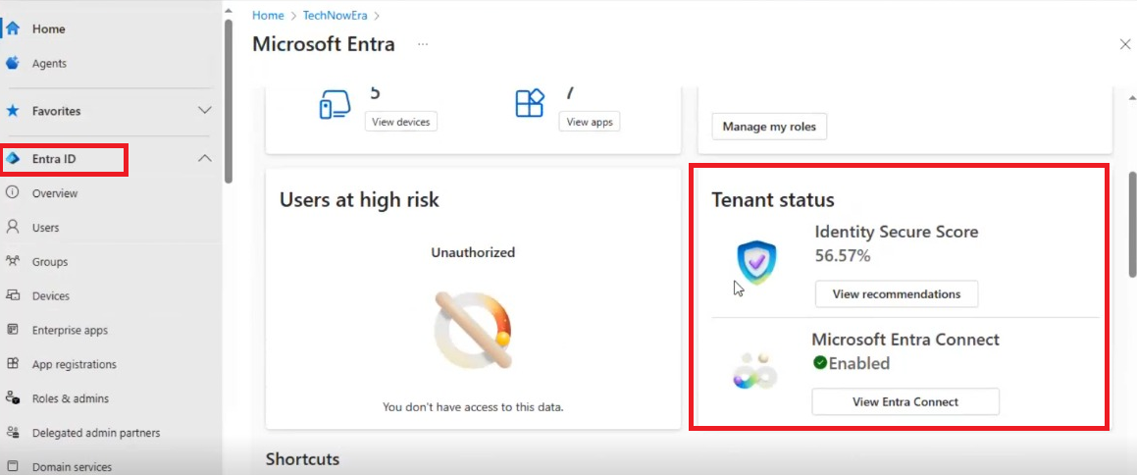
Objective:
Set up and verify directory synchronization between on-premises Active Directory and Microsoft Entra ID (Azure AD) using Microsoft 365 Admin Center and Microsoft Entra portal.

🧰 Pre-requisites:
On-premises Active Directory environment (lab VM or local domain)
Azure AD Connect tool installed on the domain controller
Microsoft 365 tenant with Global Administrator access
Internet connectivity from the domain controller

✅ Step 1: Prepare On-Premises AD for Sync

1. Launch Active Directory Users and Computers.
2. Create a test Organizational Unit (e.g., OU=CloudUsers).
3. Add test user(s) under the new OU (e.g., clouduser01).
4. Ensure attributes like UPN, email, display name, etc., are correctly populated.

🔧 Step 2: Install and Configure Azure AD Connect

1. Download Azure AD Connect from Microsoft:
https://www.microsoft.com/en-us/download/details.aspx?id=47594
2. Run the installer and choose:
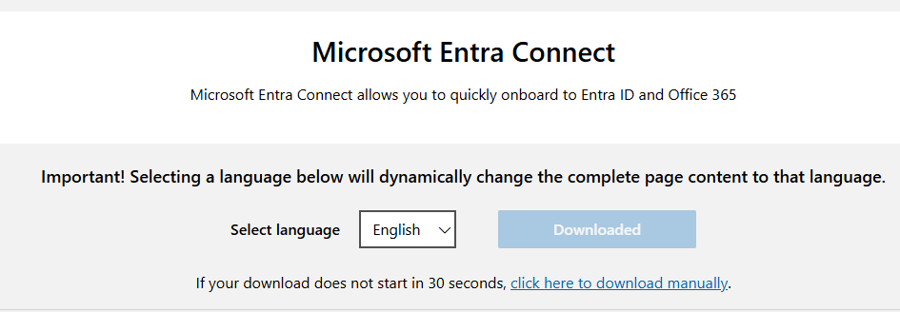

Customize sync options
3. Configure:
Source AD forest: your local domain
Target Azure AD tenant: sign in with your Global Admin credentials
Sync Scope: choose only the test OU created earlier
4. Select Password Hash Synchronization (for cloud-only sign-in)
5. Complete the installation and start the initial sync.

🖥️ Step 3: Monitor Directory Sync via Microsoft 365 Admin Center

1. Go to https://admin.microsoft.com
2. Navigate to:
Health → Directory sync status

3. Confirm that:
Directory sync is enabled
Last sync shows a recent successful timestamp
Any sync errors are visible under Status (resolve as needed)

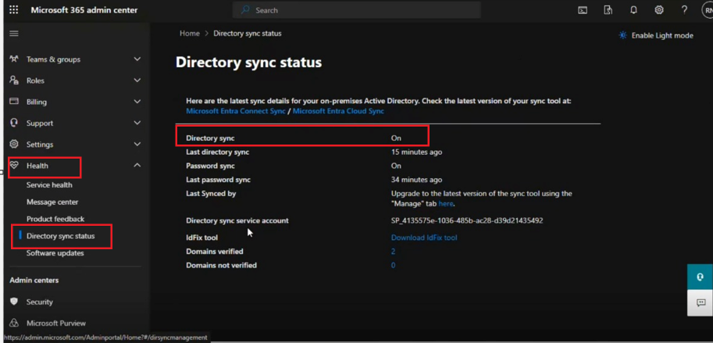

b.Microsoft Entra Connect Status

Microsoft Identity --> Entra ID Homepage

🔍 Step 4: Validate in Microsoft Entra Admin Center

1. Open https://entra.microsoft.com
2. Navigate to:
Identity → Entra ID
3. Confirm:
Microsoft Entra Connect is Enabled

